Sheet
 |  |  |  |  |  |  |  |  |  |  |  |  |  |  |  |  |  | 2848 |  | 102,832.50 € |  | 205,665.00 €
Picture | Brand | Loc | Macrocategory | Age Group | Gender | Season | Category | Sport Code | SKU | SKU+color | Barcode | Article name | Composition | HS CODE | Made In | Color | SIZE | Qty | WHS | TOTAL WHS | RRP | TOTAL RRP
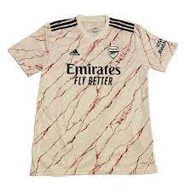 | Adidas | 400 | B - Apparel | ADULT | MALE | SS | FOOTBALL T-SHIRT | FOOTBALL/SOCCER | EH5815 | EH5815-WHITE_BLACK-2XL | 4051043797903 | AFC A JSY | 51% PES/49% REC.PES | 610990200000 | Cambodia | WHITE_BLACK | 2XL | 1 | 47.50 € | 47.50 € | 95.00 € | 95.00 €
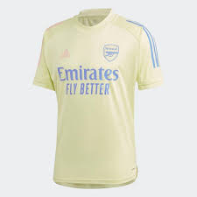 | Adidas | 410 | B - Apparel | ADULT | MALE | FW | FOOTBALL T-SHIRT | FOOTBALL/SOCCER | FQ6189 | FQ6189-YELLOW-2XL | 4061612929475 | AFC TR JSY | 98% REC.PES/2% PES | 610990200000 | Cambodia | YELLOW | 2XL | 2 | 27.50 € | 55.00 € | 55.00 € | 110.00 €
 | Adidas | 400 | B - Apparel | ADULT | MALE | SS | FOOTBALL T-SHIRT | FOOTBALL/SOCCER | GQ1193 | GQ1193-WHITE-2XL | 4062065870192 | RFU H JSY | 100% REC.PES | 610990200000 | Vietnam | WHITE | 2XL | 1 | 47.50 € | 47.50 € | 95.00 € | 95.00 €
 | Adidas | 400 | B - Apparel | ADULT | MALE | SS | FOOTBALL T-SHIRT | FOOTBALL/SOCCER | GQ1193 | GQ1193-WHITE-L | 4062065870239 | RFU H JSY | 100% REC.PES | 610990200000 | Vietnam | WHITE | L | 12 | 47.50 € | 570.00 € | 95.00 € | 1,140.00 €
 | Adidas | 400 | B - Apparel | ADULT | MALE | SS | FOOTBALL T-SHIRT | FOOTBALL/SOCCER | GQ1193 | GQ1193-WHITE-M | 4062065870222 | RFU H JSY | 100% REC.PES | 610990200000 | Vietnam | WHITE | M | 31 | 47.50 € | 1,472.50 € | 95.00 € | 2,945.00 €
 | Adidas | 400 | B - Apparel | ADULT | MALE | SS | FOOTBALL T-SHIRT | FOOTBALL/SOCCER | GQ1193 | GQ1193-WHITE-S | 4062065870215 | RFU H JSY | 100% REC.PES | 610990200000 | Vietnam | WHITE | S | 22 | 47.50 € | 1,045.00 € | 95.00 € | 2,090.00 €
 | Adidas | 400 | B - Apparel | ADULT | MALE | SS | FOOTBALL T-SHIRT | FOOTBALL/SOCCER | GQ1193 | GQ1193-WHITE-XL | 4062065870246 | RFU H JSY | 100% REC.PES | 610990200000 | Vietnam | WHITE | XL | 3 | 47.50 € | 142.50 € | 95.00 € | 285.00 €
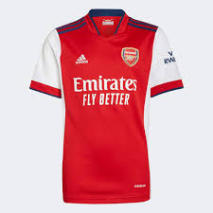 | Adidas | 400 | B - Apparel | ADULT | UNISEX | FW | FOOTBALL T-SHIRT | ORIGINALS | GQ3242 | GQ3242-WHITE/SCARLE-176 | 4064056867327 | AFC H JSY Y WHITE/SCARLE | 100% POLY | 61099010 | Georgia | WHITE/SCARLE | 176 | 7 | 37.50 € | 262.50 € | 75.00 € | 525.00 €
 | Adidas | 400 | B - Apparel | ADULT | WOMEN | FW | FOOTBALL T-SHIRT | ORIGINALS | GR3772 | GR3772-REARED-2XL | 4064054925166 | MUFC H JSY W REARED | 100% POLY | 61099010 | Vietnam | REARED | 2XL | 2 | 37.50 € | 75.00 € | 75.00 € | 150.00 €
 | Adidas | 400 | B - Apparel | ADULT | WOMEN | FW | FOOTBALL T-SHIRT | ORIGINALS | GR3772 | GR3772-REARED-L | 4064054925142 | MUFC H JSY W REARED | 100% POLY | 61099010 | Vietnam | REARED | L | 248 | 37.50 € | 9,300.00 € | 75.00 € | 18,600.00 €
 | Adidas | 400 | B - Apparel | ADULT | WOMEN | FW | FOOTBALL T-SHIRT | ORIGINALS | GR3772 | GR3772-REARED-M | 4064054925098 | MUFC H JSY W REARED | 100% POLY | 61099010 | Vietnam | REARED | M | 352 | 37.50 € | 13,200.00 € | 75.00 € | 26,400.00 €
 | Adidas | 400 | B - Apparel | ADULT | WOMEN | FW | FOOTBALL T-SHIRT | ORIGINALS | GR3772 | GR3772-REARED-S | 4064054925180 | MUFC H JSY W REARED | 100% POLY | 61099010 | Vietnam | REARED | S | 207 | 37.50 € | 7,762.50 € | 75.00 € | 15,525.00 €
 | Adidas | 400 | B - Apparel | ADULT | WOMEN | FW | FOOTBALL T-SHIRT | ORIGINALS | GR3772 | GR3772-REARED-XL | 4064054925111 | MUFC H JSY W REARED | 100% POLY | 61099010 | Vietnam | REARED | XL | 113 | 37.50 € | 4,237.50 € | 75.00 € | 8,475.00 €
 | Adidas | 400 | B - Apparel | ADULT | WOMEN | FW | FOOTBALL T-SHIRT | ORIGINALS | GR3772 | GR3772-REARED-XS | 4064054925104 | MUFC H JSY W REARED | 100% POLY | 61099010 | Vietnam | REARED | XS | 13 | 37.50 € | 487.50 € | 75.00 € | 975.00 €
 | Adidas | 410 | B - Apparel | ADULT | MALE | SS | FOOTBALL T-SHIRT | FOOTBALL/SOCCER | GS1442 | GS1442-WHITE_BLACK-M | 4064057400820 | JUVE H JSY | 100% REC.PES | 610990200000 | Cambodia | WHITE_BLACK | M | 3 | 47.50 € | 142.50 € | 95.00 € | 285.00 €
 | Adidas | 410 | B - Apparel | ADULT | MALE | SS | FOOTBALL T-SHIRT | FOOTBALL/SOCCER | GS1442 | GS1442-WHITE_BLACK-S | 4064057400837 | JUVE H JSY | 100% REC.PES | 610990200000 | Cambodia | WHITE_BLACK | S | 4 | 47.50 € | 190.00 € | 95.00 € | 380.00 €
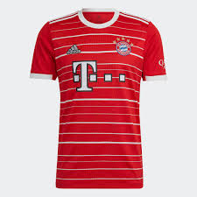 | Adidas | 410 | B - Apparel | ADULT | MALE | SS | FOOTBALL T-SHIRT | FOOTBALL/SOCCER | H39900 | H39900-RED-2XL | 4065418944311 | FCB H JSY | 100% REC.PES | 610990200000 | Cambodia | RED | 2XL | 2 | 47.50 € | 95.00 € | 95.00 € | 190.00 €
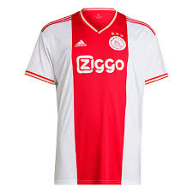 | Adidas | 410 | B - Apparel | ADULT | MALE | FW | FOOTBALL T-SHIRT | FOOTBALL/SOCCER | H58243 | H58243-BROWN-M | 4065417557628 | AJAX H JSY | 100% REC.PES | 610990200000 | Cambodia | BROWN | M | 1 | 47.50 € | 47.50 € | 95.00 € | 95.00 €
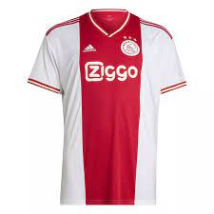 | Adidas | 410 | B - Apparel | ADULT | MALE | FW | FOOTBALL T-SHIRT | FOOTBALL/SOCCER | H58243 | H58243-BROWN-S | 4065417553965 | AJAX H JSY | 100% REC.PES | 610990200000 | Cambodia | BROWN | S | 1 | 47.50 € | 47.50 € | 95.00 € | 95.00 €
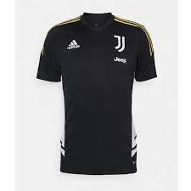 | Adidas | 400 | B - Apparel | ADULT | MALE | FW | FOOTBALL T-SHIRT | FOOTBALL/SOCCER | HA2622 | HA2622-BLACK-XS | 4065423236494 | JUVE TR JSY | 100% rec polyester | 611430000000 | Vietnam | BLACK | XS | 2 | 27.50 € | 55.00 € | 55.00 € | 110.00 €
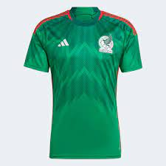 | Adidas | 410 | B - Apparel | ADULT | MALE | SS | FOOTBALL T-SHIRT | FOOTBALL/SOCCER | HD6899 | HD6899-GREEN-XS | 4065429629009 | FMF H JSY | 100% REC.PES | 610990200000 | Mexico | GREEN | XS | 2 | 52.50 € | 105.00 € | 105.00 € | 210.00 €
 | Adidas | 400 | B - Apparel | ADULT | MALE | FW | FOOTBALL T-SHIRT | FOOTBALL/SOCCER | HD8931 | HD8931-BLUE-L | 4065429239147 | JFA TRV TEE | 65% CO/35% REC.PES | 610910009000 | Philippines | BLUE | L | 1 | 25.00 € | 25.00 € | 50.00 € | 50.00 €
 | Adidas | 400 | B - Apparel | ADULT | MALE | FW | FOOTBALL T-SHIRT | FOOTBALL/SOCCER | HD8931 | HD8931-BLUE-M | 4065429239130 | JFA TRV TEE | 65% CO/35% REC.PES | 610910009000 | Philippines | BLUE | M | 2 | 25.00 € | 50.00 € | 50.00 € | 100.00 €
 | Adidas | 400 | B - Apparel | ADULT | MALE | FW | FOOTBALL T-SHIRT | FOOTBALL/SOCCER | HD8931 | HD8931-BLUE-S | 4065429239253 | JFA TRV TEE | 65% CO/35% REC.PES | 610910009000 | Philippines | BLUE | S | 3 | 25.00 € | 75.00 € | 50.00 € | 150.00 €
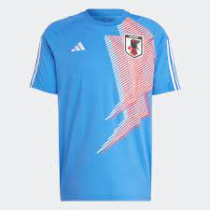 | Adidas | 400 | B - Apparel | ADULT | MALE | FW | FOOTBALL T-SHIRT | FOOTBALL/SOCCER | HD8931 | HD8931-BLUE-XS | 4065429236214 | JFA TRV TEE | 65% CO/35% REC.PES | 610910009000 | Philippines | BLUE | XS | 1 | 25.00 € | 25.00 € | 50.00 € | 50.00 €
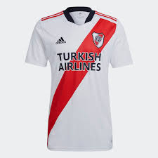 | Adidas | 410 | B - Apparel | ADULT | MALE | FW | FOOTBALL T-SHIRT | FOOTBALL/SOCCER | HD9675 | HD9675-WHITE_RED-L | 4065421778071 | RP H JSY | 100% REC.PES | 610990200000 | Colombia | WHITE_RED | L | 2 | 47.50 € | 95.00 € | 95.00 € | 190.00 €
 | Adidas | 400 | B - Apparel | ADULT | MALE | SS | FOOTBALL T-SHIRT | FOOTBALL/SOCCER | HE2021 | HE2021-BLUE-XL | 4065429128403 | FEF H AU JSY | 100% REC.PES | 610990200000 | Cambodia | BLUE | XL | 1 | 62.50 € | 62.50 € | 125.00 € | 125.00 €
 | Adidas | 400 | B - Apparel | ADULT | MALE | SS | FOOTBALL T-SHIRT | FOOTBALL/SOCCER | HE2021 | HE2021-BLUE-XS | 4065429128380 | FEF H AU JSY | 100% REC.PES | 610990200000 | Cambodia | BLUE | XS | 1 | 62.50 € | 62.50 € | 125.00 € | 125.00 €
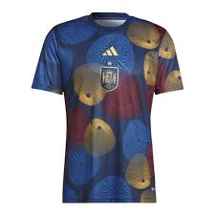 | Adidas | 410 | B - Apparel | ADULT | MALE | FW | FOOTBALL T-SHIRT | FOOTBALL/SOCCER | HF1421 | HF1421-BLUE_RED-3XL | 4065415717154 | FEF PRESHI | 100% REC.PES | 610990200000 | Vietnam | BLUE_RED | 3XL | 1 | 32.50 € | 32.50 € | 65.00 € | 65.00 €
 | Adidas | 410 | B - Apparel | ADULT | MALE | SS | FOOTBALL T-SHIRT | FOOTBALL/SOCCER | HF1844 | HF1844-WHITE-S | 4065429098249 | JFA A JSY | 100% REC.PES | 610990200000 | Vietnam | WHITE | S | 4 | 47.50 € | 190.00 € | 95.00 € | 380.00 €
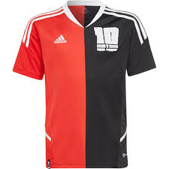 | Adidas | 410 | B - Apparel | ADULT | MALE | FW | FOOTBALL T-SHIRT | FOOTBALL/SOCCER | HI3792 | HI3792-BLACK_RED-152 | 4065429064671 | MESSI JSY Y | 100% REC.PES | 611430000000 | KH | BLACK_RED | 152 | 3 | 22.50 € | 67.50 € | 45.00 € | 135.00 €
 | Adidas | 410 | B - Apparel | ADULT | MALE | FW | FOOTBALL T-SHIRT | FOOTBALL/SOCCER | HI3792 | HI3792-BLACK_RED-164 | 4065429064596 | MESSI JSY Y | 100% REC.PES | 611430000000 | KH | BLACK_RED | 164 | 1 | 22.50 € | 22.50 € | 45.00 € | 45.00 €
 | Adidas | 410 | B - Apparel | ADULT | MALE | FW | FOOTBALL T-SHIRT | FOOTBALL/SOCCER | HS5941 | HS5941-WHITE_BLACK-XL | 4066747940456 | DFB ICON JSY | 100% REC.PES | 610990200000 | Vietnam | WHITE_BLACK | XL | 1 | 35.00 € | 35.00 € | 70.00 € | 70.00 €
 | Adidas | 400 | B - Apparel | ADULT | MALE | SS | FOOTBALL T-SHIRT | FOOTBALL/SOCCER | HS7572 | HS7572-BLACK_WHITE-L | 4066752943626 | JUVE PRESHI | 100% REC.PES | 610990200000 | Cambodia | BLACK_WHITE | L | 3 | 35.00 € | 105.00 € | 70.00 € | 210.00 €
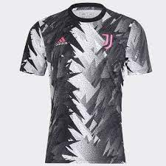 | Adidas | 400 | B - Apparel | ADULT | MALE | SS | FOOTBALL T-SHIRT | FOOTBALL/SOCCER | HS7572 | HS7572-BLACK_WHITE-M | 4066752943596 | JUVE PRESHI | 100% REC.PES | 610990200000 | Cambodia | BLACK_WHITE | M | 4 | 35.00 € | 140.00 € | 70.00 € | 280.00 €
 | Adidas | 400 | B - Apparel | ADULT | MALE | SS | FOOTBALL T-SHIRT | FOOTBALL/SOCCER | HS7572 | HS7572-BLACK_WHITE-XL | 4066752943510 | JUVE PRESHI | 100% REC.PES | 610990200000 | Cambodia | BLACK_WHITE | XL | 1 | 35.00 € | 35.00 € | 70.00 € | 70.00 €
 | Adidas | 400 | B - Apparel | ADULT | MALE | SS | FOOTBALL T-SHIRT | FOOTBALL/SOCCER | HT1994 | HT1994-BLACK_BLUE-L | 4066746598153 | MUFC GK ICONJSY | 100% REC.PES | 610990200000 | Vietnam | BLACK_BLUE | L | 3 | 52.50 € | 157.50 € | 105.00 € | 315.00 €
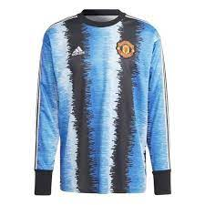 | Adidas | 400 | B - Apparel | ADULT | MALE | SS | FOOTBALL T-SHIRT | FOOTBALL/SOCCER | HT1994 | HT1994-BLACK_BLUE-M | 4066746598115 | MUFC GK ICONJSY | 100% REC.PES | 610990200000 | Vietnam | BLACK_BLUE | M | 2 | 52.50 € | 105.00 € | 105.00 € | 210.00 €
 | Adidas | 400 | B - Apparel | ADULT | MALE | SS | FOOTBALL T-SHIRT | FOOTBALL/SOCCER | HT1994 | HT1994-BLACK_BLUE-XL | 4066746598160 | MUFC GK ICONJSY | 100% REC.PES | 610990200000 | Vietnam | BLACK_BLUE | XL | 1 | 52.50 € | 52.50 € | 105.00 € | 105.00 €
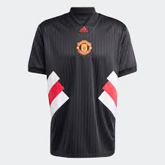 | Adidas | 410 | B - Apparel | ADULT | MALE | SS | FOOTBALL T-SHIRT | FOOTBALL/SOCCER | HT2002 | HT2002-BLACK-L | 4066746558898 | MUFC ICON JSY | 100% REC.PES | 610990200000 | Cambodia | BLACK | L | 6 | 42.50 € | 255.00 € | 85.00 € | 510.00 €
 | Adidas | 410 | B - Apparel | ADULT | MALE | SS | FOOTBALL T-SHIRT | FOOTBALL/SOCCER | HT2002 | HT2002-BLACK-XL | 4066746558836 | MUFC ICON JSY | 100% REC.PES | 610990200000 | Cambodia | BLACK | XL | 7 | 42.50 € | 297.50 € | 85.00 € | 595.00 €
 | Adidas | 410 | B - Apparel | ADULT | MALE | SS | FOOTBALL T-SHIRT | FOOTBALL/SOCCER | HT8799 | HT8799-BLACK-2XL | 4066752958842 | REAL PRESHI | 100% REC.PES | 610990200000 | Cambodia | BLACK | 2XL | 1 | 35.00 € | 35.00 € | 70.00 € | 70.00 €
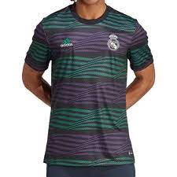 | Adidas | 410 | B - Apparel | ADULT | MALE | SS | FOOTBALL T-SHIRT | FOOTBALL/SOCCER | HT8799 | HT8799-BLACK-XL | 4066752958965 | REAL PRESHI | 100% REC.PES | 610990200000 | Cambodia | BLACK | XL | 3 | 35.00 € | 105.00 € | 70.00 € | 210.00 €
 | Adidas | 400 | B - Apparel | ADULT | MALE | FW | FOOTBALL T-SHIRT | FOOTBALL/SOCCER | HF1446 | HF1446-VIOLET-2XL | 4065429049067 | FMF GK ICONJSY | 100% COMPOSITION NOT YET DEFINED, 100% REC.PES | 610990200000 | Vietnam | VIOLET | 2XL | 9 | 62.50 € | 562.50 € | 125.00 € | 1,125.00 €
 | Adidas | 400 | B - Apparel | ADULT | MALE | FW | FOOTBALL T-SHIRT | FOOTBALL/SOCCER | HF1446 | HF1446-VIOLET-L | 4065429048947 | FMF GK ICONJSY | 100% COMPOSITION NOT YET DEFINED, 100% REC.PES | 610990200000 | Vietnam | VIOLET | L | 33 | 62.50 € | 2,062.50 € | 125.00 € | 4,125.00 €
 | Adidas | 400 | B - Apparel | ADULT | MALE | FW | FOOTBALL T-SHIRT | FOOTBALL/SOCCER | HF1446 | HF1446-VIOLET-M | 4065429048909 | FMF GK ICONJSY | 100% COMPOSITION NOT YET DEFINED, 100% REC.PES | 610990200000 | Vietnam | VIOLET | M | 34 | 62.50 € | 2,125.00 € | 125.00 € | 4,250.00 €
 | Adidas | 400 | B - Apparel | ADULT | MALE | FW | FOOTBALL T-SHIRT | FOOTBALL/SOCCER | HF1446 | HF1446-VIOLET-S | 4065429048978 | FMF GK ICONJSY | 100% COMPOSITION NOT YET DEFINED, 100% REC.PES | 610990200000 | Vietnam | VIOLET | S | 29 | 62.50 € | 1,812.50 € | 125.00 € | 3,625.00 €
 | Adidas | 400 | B - Apparel | ADULT | MALE | FW | FOOTBALL T-SHIRT | FOOTBALL/SOCCER | HF1446 | HF1446-VIOLET-XL | 4065429048985 | FMF GK ICONJSY | 100% COMPOSITION NOT YET DEFINED, 100% REC.PES | 610990200000 | Vietnam | VIOLET | XL | 31 | 62.50 € | 1,937.50 € | 125.00 € | 3,875.00 €
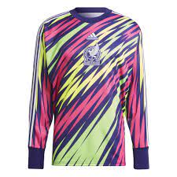 | Adidas | 400 | B - Apparel | ADULT | MALE | FW | FOOTBALL T-SHIRT | FOOTBALL/SOCCER | HF1446 | HF1446-VIOLET-XS | 4065429045298 | FMF GK ICONJSY | 100% COMPOSITION NOT YET DEFINED, 100% REC.PES | 610990200000 | Vietnam | VIOLET | XS | 16 | 62.50 € | 1,000.00 € | 125.00 € | 2,000.00 €
 | Adidas | 400 | B - Apparel | ADULT | MALE | SS | FOOTBALL T-SHIRT | FOOTBALL/SOCCER | FR8358 | FR8358-BLUE-L | 4062054913817 | FCB H JSY | 51% PES/49% REC.PES | 610990200000 | Cambodia | BLUE | L | 2 | 47.50 € | 95.00 € | 95.00 € | 190.00 €
 | Adidas | 400 | B - Apparel | ADULT | MALE | SS | FOOTBALL T-SHIRT | FOOTBALL/SOCCER | GI6463 | GI6463-PINK-M | 4062061006304 | REAL A JSY | 100% REC.PES | 610990200000 | Cambodia | PINK | M | 3 | 47.50 € | 142.50 € | 95.00 € | 285.00 €
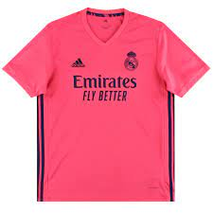 | Adidas | 400 | B - Apparel | ADULT | MALE | SS | FOOTBALL T-SHIRT | FOOTBALL/SOCCER | GI6463 | GI6463-PINK-S | 4062061006298 | REAL A JSY | 100% REC.PES | 610990200000 | Cambodia | PINK | S | 2 | 47.50 € | 95.00 € | 95.00 € | 190.00 €
 | Adidas | 400 | B - Apparel | ADULT | MALE | SS | FOOTBALL T-SHIRT | FOOTBALL/SOCCER | GI6463 | GI6463-PINK-L | 4062061006311 | REAL A JSY | 100% REC.PES | 610990200000 | Cambodia | PINK | L | 1 | 47.50 € | 47.50 € | 95.00 € | 95.00 €
 | Adidas | 400 | B - Apparel | ADULT | MALE | SS | FOOTBALL T-SHIRT | FOOTBALL/SOCCER | GI6463 | GI6463-PINK-XL | 4062061006281 | REAL A JSY | 100% REC.PES | 610990200000 | Cambodia | PINK | XL | 1 | 47.50 € | 47.50 € | 95.00 € | 95.00 €
 | Adidas | 400 | B - Apparel | ADULT | MALE | SS | FOOTBALL T-SHIRT | FOOTBALL/SOCCER | GS1442 | GS1442-WHITE-XS | 4064057400875 | JERSEY (SHORT SLEEVE | 100% REC.PES | 610990200000 | Cambodia | WHITE | XS | 1 | 47.50 € | 47.50 € | 95.00 € | 95.00 €
 | Adidas | 400 | B - Apparel | ADULT | MALE | SS | FOOTBALL T-SHIRT | FOOTBALL/SOCCER | H35891 | H35891-MULTICOLOUR-S | 4065418913577 | AFC TG JSY | 100% REC.PES | 611430000000 | Cambodia | MULTICOLOUR | S | 1 | 42.50 € | 42.50 € | 85.00 € | 85.00 €
 | Adidas | 400 | B - Apparel | ADULT | MALE | SS | FOOTBALL T-SHIRT | FOOTBALL/SOCCER | H35902 | H35902-BLACK-S | 4065425048798 | AFC A JSY | 100% REC.PES | 610990200000 | Georgia | BLACK | S | 3 | 47.50 € | 142.50 € | 95.00 € | 285.00 €
 | Adidas | 400 | B - Apparel | ADULT | MALE | FW | FOOTBALL T-SHIRT | ORIGINALS | HC3005 | HC3005-MULTICOLOUR-XS | 4065422604478 | OP ZK JERSEY | 100% REC.PES | 610520100000 | China | MULTICOLOUR | XS | 2 | 47.50 € | 95.00 € | 95.00 € | 190.00 €
 | Adidas | 400 | B - Apparel | ADULT | MALE | SS | FOOTBALL T-SHIRT | FOOTBALL/SOCCER | HD9314 | HD9314-WHITE-2XL | 4065429614623 | FMF A JSY | 100% REC.PES | 610990200000 | Mexico | WHITE | 2XL | 3 | 47.50 € | 142.50 € | 95.00 € | 285.00 €
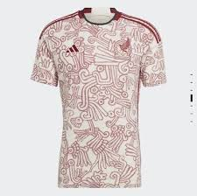 | Adidas | 400 | B - Apparel | ADULT | MALE | SS | FOOTBALL T-SHIRT | FOOTBALL/SOCCER | HD9314 | HD9314-WHITE-M | 4065429614692 | FMF A JSY | 100% REC.PES | 610990200000 | Mexico | WHITE | M | 6 | 47.50 € | 285.00 € | 95.00 € | 570.00 €
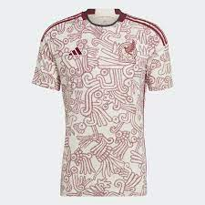 | Adidas | 400 | B - Apparel | ADULT | MALE | SS | FOOTBALL T-SHIRT | FOOTBALL/SOCCER | HD9314 | HD9314-WHITE-XL | 4065429614654 | FMF A JSY | 100% REC.PES | 610990200000 | Mexico | WHITE | XL | 4 | 47.50 € | 190.00 € | 95.00 € | 380.00 €
 | Adidas | 400 | B - Apparel | ADULT | MALE | SS | FOOTBALL T-SHIRT | FOOTBALL/SOCCER | HE2020 | HE2020-BLUE-2XL | 4065429153320 | FEF A JSY | 100% REC.PES | 610990200000 | Cambodia | BLUE | 2XL | 4 | 47.50 € | 190.00 € | 95.00 € | 380.00 €
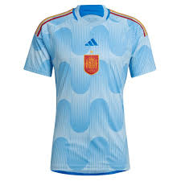 | Adidas | 400 | B - Apparel | ADULT | MALE | SS | FOOTBALL T-SHIRT | FOOTBALL/SOCCER | HE2020 | HE2020-BLUE-L | 4065429149675 | FEF A JSY | 100% REC.PES | 610990200000 | Cambodia | BLUE | L | 6 | 47.50 € | 285.00 € | 95.00 € | 570.00 €
 | Adidas | 400 | B - Apparel | ADULT | MALE | SS | FOOTBALL T-SHIRT | FOOTBALL/SOCCER | HE2020 | HE2020-BLUE-M | 4065429149668 | FEF A JSY | 100% REC.PES | 610990200000 | Cambodia | BLUE | M | 3 | 47.50 € | 142.50 € | 95.00 € | 285.00 €
 | Adidas | 400 | B - Apparel | ADULT | MALE | SS | FOOTBALL T-SHIRT | FOOTBALL/SOCCER | HE2020 | HE2020-BLUE-S | 4065429153351 | FEF A JSY | 100% REC.PES | 610990200000 | Cambodia | BLUE | S | 11 | 47.50 € | 522.50 € | 95.00 € | 1,045.00 €
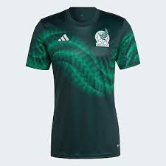 | Adidas | 400 | B - Apparel | ADULT | MALE | FW | FOOTBALL T-SHIRT | FOOTBALL/SOCCER | HF1370 | HF1370-GREEN-2XL | 4065429604006 | FMF PRESHI | 100% REC.PES | 610990200000 | Mexico | GREEN | 2XL | 2 | 32.50 € | 65.00 € | 65.00 € | 130.00 €
 | Adidas | 400 | B - Apparel | ADULT | MALE | FW | FOOTBALL T-SHIRT | FOOTBALL/SOCCER | HF1370 | HF1370-GREEN-L | 4065429603924 | FMF PRESHI | 100% REC.PES | 610990200000 | Mexico | GREEN | L | 5 | 32.50 € | 162.50 € | 65.00 € | 325.00 €
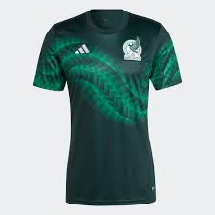 | Adidas | 400 | B - Apparel | ADULT | MALE | FW | FOOTBALL T-SHIRT | FOOTBALL/SOCCER | HF1370 | HF1370-GREEN-S | 4065429603993 | FMF PRESHI | 100% REC.PES | 610990200000 | Mexico | GREEN | S | 3 | 32.50 € | 97.50 € | 65.00 € | 195.00 €
 | Adidas | 400 | B - Apparel | ADULT | MALE | FW | FOOTBALL T-SHIRT | FOOTBALL/SOCCER | HF1370 | HF1370-GREEN-XL | 4065429603948 | FMF PRESHI | 100% REC.PES | 610990200000 | Mexico | GREEN | XL | 2 | 32.50 € | 65.00 € | 65.00 € | 130.00 €
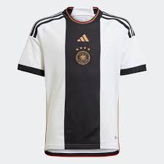 | Adidas | 400 | B - Apparel | ADULT | MALE | SS | FOOTBALL T-SHIRT | FOOTBALL/SOCCER | HF1467 | HF1467-BLACK/WHITE-176 | 195745894844 | JERSEY (SHORT SLEEVE | 100% REC.PES | 610990200000 | Cambodia | BLACK/WHITE | 176 | 1 | 47.50 € | 47.50 € | 95.00 € | 95.00 €
 | Adidas | 400 | B - Apparel | ADULT | MALE | SS | FOOTBALL T-SHIRT | FOOTBALL/SOCCER | HI3886 | HI3886-WHITE-L | 4065418901895 | FCB A JSY | 100% REC.PES | 610990200000 | Cambodia | WHITE | L | 2 | 47.50 € | 95.00 € | 95.00 € | 190.00 €
 | Adidas | 400 | B - Apparel | ADULT | MALE | SS | FOOTBALL T-SHIRT | FOOTBALL/SOCCER | HI3886 | HI3886-WHITE-S | 4065418902007 | FCB A JSY | 100% REC.PES | 610990200000 | Cambodia | WHITE | S | 2 | 47.50 € | 95.00 € | 95.00 € | 190.00 €
 | Adidas | 400 | B - Apparel | ADULT | MALE | SS | FOOTBALL T-SHIRT | FOOTBALL/SOCCER | HT4293 | HT4293-PINK-2XL | 4066745639628 | MUFC TR JSY | 100% REC.PES | 611430000000 | Cambodia | PINK | 2XL | 10 | 27.50 € | 275.00 € | 55.00 € | 550.00 €
 | Adidas | 400 | B - Apparel | ADULT | MALE | SS | FOOTBALL T-SHIRT | FOOTBALL/SOCCER | HT4293 | HT4293-PINK-L | 4066745643311 | MUFC TR JSY | 100% REC.PES | 611430000000 | Cambodia | PINK | L | 13 | 27.50 € | 357.50 € | 55.00 € | 715.00 €
 | Adidas | 400 | B - Apparel | ADULT | MALE | SS | FOOTBALL T-SHIRT | FOOTBALL/SOCCER | HT4293 | HT4293-PINK-M | 4066745643366 | MUFC TR JSY | 100% REC.PES | 611430000000 | Cambodia | PINK | M | 10 | 27.50 € | 275.00 € | 55.00 € | 550.00 €
 | Adidas | 400 | B - Apparel | ADULT | MALE | SS | FOOTBALL T-SHIRT | FOOTBALL/SOCCER | HT4293 | HT4293-PINK-S | 4066745643359 | MUFC TR JSY | 100% REC.PES | 611430000000 | Cambodia | PINK | S | 2 | 27.50 € | 55.00 € | 55.00 € | 110.00 €
 | Adidas | 400 | B - Apparel | ADULT | MALE | SS | FOOTBALL T-SHIRT | FOOTBALL/SOCCER | HT4293 | HT4293-PINK-XL | 4066745639598 | MUFC TR JSY | 100% REC.PES | 611430000000 | Cambodia | PINK | XL | 20 | 27.50 € | 550.00 € | 55.00 € | 1,100.00 €
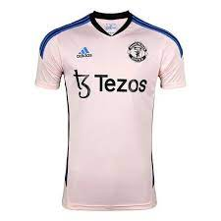 | Adidas | 400 | B - Apparel | ADULT | MALE | SS | FOOTBALL T-SHIRT | FOOTBALL/SOCCER | HT4293 | HT4293-PINK-XS | 4066745643403 | MUFC TR JSY | 100% REC.PES | 611430000000 | Cambodia | PINK | XS | 1 | 27.50 € | 27.50 € | 55.00 € | 55.00 €
 | Adidas | 400 | B - Apparel | ADULT | MALE | SS | FOOTBALL T-SHIRT | FOOTBALL/SOCCER | HT4307 | HT4307-BLACK_GREY-2XL | 4066752955162 | MUFC PRESHI | 100% REC.PES | 610990200000 | Vietnam | BLACK_GREY | 2XL | 3 | 32.50 € | 97.50 € | 65.00 € | 195.00 €
 | Adidas | 400 | B - Apparel | ADULT | MALE | SS | FOOTBALL T-SHIRT | FOOTBALL/SOCCER | HT4307 | HT4307-BLACK_GREY-L | 4066752955032 | MUFC PRESHI | 100% REC.PES | 610990200000 | Vietnam | BLACK_GREY | L | 1 | 32.50 € | 32.50 € | 65.00 € | 65.00 €
 | Adidas | 400 | B - Apparel | ADULT | MALE | SS | FOOTBALL T-SHIRT | FOOTBALL/SOCCER | HT4307 | HT4307-BLACK_GREY-M | 4066752955124 | MUFC PRESHI | 100% REC.PES | 610990200000 | Vietnam | BLACK_GREY | M | 7 | 32.50 € | 227.50 € | 65.00 € | 455.00 €
 | Adidas | 400 | B - Apparel | ADULT | MALE | SS | FOOTBALL T-SHIRT | FOOTBALL/SOCCER | HT4307 | HT4307-BLACK_GREY-XL | 4066752955100 | MUFC PRESHI | 100% REC.PES | 610990200000 | Vietnam | BLACK_GREY | XL | 2 | 32.50 € | 65.00 € | 65.00 € | 130.00 €
 | Adidas | 400 | B - Apparel | ADULT | MALE | SS | FOOTBALL T-SHIRT | FOOTBALL/SOCCER | HT6456 | HT6456-WHITE-XL | 4066746297469 | REAL ICON JSY | 100% REC.PES | 610990200000 | Cambodia | WHITE | XL | 3 | 42.50 € | 127.50 € | 85.00 € | 255.00 €
 | Adidas | 400 | B - Apparel | ADULT | MALE | SS | FOOTBALL T-SHIRT | FOOTBALL/SOCCER | HT6461 | HT6461-WHITE-XS | 4066746312896 | REAL CN TEE | 70% CO/30% REC.PES | 610910009000 | Vietnam | WHITE | XS | 2 | 25.00 € | 50.00 € | 50.00 € | 100.00 €
 | Adidas | 410 | B - Apparel | ADULT | MALE | SS | FOOTBALL T-SHIRT | FOOTBALL/SOCCER | HT8831 | HT8831-WHITE-XS | 4066752120775 | FCB CN TEE | 70% CO/30% REC.PES | 610910009000 | Cambodia | WHITE | XS | 3 | 25.00 € | 75.00 € | 50.00 € | 150.00 €
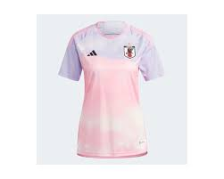 | Adidas | 400 | B - Apparel | ADULT | FEMALE | SS | FOOTBALL T-SHIRT | FOOTBALL/SOCCER | IB1051 | IB1051-MULTICOLOUR-S | 4066752147512 | JFA A JSY W | 100% REC.PES | 610990200000 | Vietnam | MULTICOLOUR | S | 2 | 47.50 € | 95.00 € | 95.00 € | 190.00 €
 | Adidas | 400 | B - Apparel | ADULT | MALE | FW | FOOTBALL T-SHIRT | BASKETBALL | HF6709 | HF6709-BLUE_WHITE-195 | 4065415163760 | M ICON SQUAD J | 100% rec polyester | 610990200000 | Thailand | BLUE_WHITE | 195 | 17 | 25.00 € | 425.00 € | 50.00 € | 850.00 €
 | Adidas | 400 | B - Apparel | ADULT | MALE | FW | FOOTBALL T-SHIRT | BASKETBALL | HF6709 | HF6709-BLUE_WHITE-205 | 4065415163777 | M ICON SQUAD J | 100% rec polyester | 610990200000 | Thailand | BLUE_WHITE | 205 | 39 | 25.00 € | 975.00 € | 50.00 € | 1,950.00 €
 | Adidas | 400 | B - Apparel | ADULT | MALE | FW | FOOTBALL T-SHIRT | BASKETBALL | HF6709 | HF6709-BLUE_WHITE-220 | 4065415163692 | M ICON SQUAD J | 100% rec polyester | 610990200000 | Thailand | BLUE_WHITE | 220 | 25 | 25.00 € | 625.00 € | 50.00 € | 1,250.00 €
 | Adidas | 400 | B - Apparel | ADULT | MALE | FW | FOOTBALL T-SHIRT | BASKETBALL | HF6709 | HF6709-BLUE_WHITE-235 | 4065415163807 | M ICON SQUAD J | 100% rec polyester | 610990200000 | Thailand | BLUE_WHITE | 235 | 5 | 25.00 € | 125.00 € | 50.00 € | 250.00 €
 | Adidas | 400 | B - Apparel | ADULT | MALE | FW | FOOTBALL T-SHIRT | BASKETBALL | HF6709 | HF6709-BLUE_WHITE-275 | 4065415160004 | M ICON SQUAD J | 100% rec polyester | 610990200000 | Thailand | BLUE_WHITE | 275 | 6 | 25.00 € | 150.00 € | 50.00 € | 300.00 €
 | Adidas | 400 | B - Apparel | ADULT | MALE | FW | FOOTBALL T-SHIRT | BASKETBALL | HF6709 | HF6709-BLUE_WHITE-280 | 4065415163715 | M ICON SQUAD J | 100% rec polyester | 610990200000 | Thailand | BLUE_WHITE | 280 | 12 | 25.00 € | 300.00 € | 50.00 € | 600.00 €
 | Adidas | 400 | B - Apparel | ADULT | MALE | FW | FOOTBALL T-SHIRT | BASKETBALL | HF6709 | HF6709-BLUE_WHITE-285 | 4065415160073 | M ICON SQUAD J | 100% rec polyester | 610990200000 | Thailand | BLUE_WHITE | 285 | 7 | 25.00 € | 175.00 € | 50.00 € | 350.00 €
 | Adidas | 400 | B - Apparel | ADULT | MALE | FW | FOOTBALL T-SHIRT | BASKETBALL | HF6709 | HF6709-BLUE_WHITE-L | 4065415163814 | M ICON SQUAD J | 100% rec polyester | 610990200000 | Thailand | BLUE_WHITE | L | 11 | 25.00 € | 275.00 € | 50.00 € | 550.00 €
 | Adidas | 410 | B - Apparel | ADULT | MALE | FW | FOOTBALL T-SHIRT | BASKETBALL | HF6713 | HF6713-WHITE_POWDER-2XLT | 4065415620287 | M ICON SQUAD J | 100% rec polyester | 610990200000 | Thailand | WHITE_POWDER | 2XLT | 7 | 25.00 € | 175.00 € | 50.00 € | 350.00 €
 | Adidas | 410 | B - Apparel | ADULT | MALE | FW | FOOTBALL T-SHIRT | BASKETBALL | HF6713 | HF6713-WHITE_POWDER-LT | 4065415620393 | M ICON SQUAD J | 100% rec polyester | 610990200000 | Thailand | WHITE_POWDER | LT | 7 | 25.00 € | 175.00 € | 50.00 € | 350.00 €
 | Adidas | 410 | B - Apparel | ADULT | MALE | FW | FOOTBALL T-SHIRT | BASKETBALL | HF6713 | HF6713-WHITE_POWDER-XLT | 4065415620263 | M ICON SQUAD J | 100% rec polyester | 610990200000 | Thailand | WHITE_POWDER | XLT | 6 | 25.00 € | 150.00 € | 50.00 € | 300.00 €
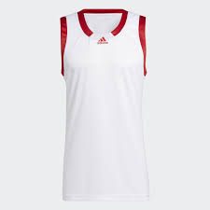 | Adidas | 400 | B - Apparel | ADULT | MALE | SS | FOOTBALL T-SHIRT | BASKETBALL | HF6713 | HF6713-WHITE-S | 4065415620324 | JERSEY (SLEEVELESS) | 100% rec polyester | 610990200000 | Thailand | WHITE | S | 5 | 25.00 € | 125.00 € | 50.00 € | 250.00 €
 | Adidas | 400 | B - Apparel | ADULT | MALE | SS | FOOTBALL T-SHIRT | BASKETBALL | HF6713 | HF6713-WHITE-XL | 4065415620294 | JERSEY (SLEEVELESS) | 100% rec polyester | 610990200000 | Thailand | WHITE | XL | 5 | 25.00 € | 125.00 € | 50.00 € | 250.00 €
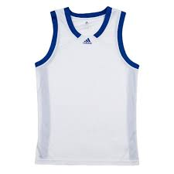 | Adidas | 400 | B - Apparel | ADULT | MALE | FW | FOOTBALL T-SHIRT | BASKETBALL | HF6717 | HF6717-WHITE_ROYAL-205 | 4065415631924 | M ICON SQUAD J | 100% rec polyester | 610990200000 | Thailand | WHITE_ROYAL | 205 | 16 | 25.00 € | 400.00 € | 50.00 € | 800.00 €
 | Adidas | 400 | B - Apparel | ADULT | MALE | FW | FOOTBALL T-SHIRT | BASKETBALL | HF6717 | HF6717-WHITE_ROYAL-235 | 4065415635557 | M ICON SQUAD J | 100% rec polyester | 610990200000 | Thailand | WHITE_ROYAL | 235 | 5 | 25.00 € | 125.00 € | 50.00 € | 250.00 €
 | Adidas | 400 | B - Apparel | ADULT | MALE | FW | FOOTBALL T-SHIRT | BASKETBALL | HF6717 | HF6717-WHITE_ROYAL-275 | 4065415635571 | M ICON SQUAD J | 100% rec polyester | 610990200000 | Thailand | WHITE_ROYAL | 275 | 5 | 25.00 € | 125.00 € | 50.00 € | 250.00 €
 | Adidas | 400 | B - Apparel | ADULT | MALE | FW | FOOTBALL T-SHIRT | BASKETBALL | HF6717 | HF6717-WHITE_ROYAL-280 | 4065415635700 | M ICON SQUAD J | 100% rec polyester | 610990200000 | Thailand | WHITE_ROYAL | 280 | 5 | 25.00 € | 125.00 € | 50.00 € | 250.00 €
 | Adidas | 400 | B - Apparel | ADULT | MALE | FW | FOOTBALL T-SHIRT | BASKETBALL | HF6717 | HF6717-WHITE_ROYAL-285 | 4065415635717 | M ICON SQUAD J | 100% rec polyester | 610990200000 | Thailand | WHITE_ROYAL | 285 | 4 | 25.00 € | 100.00 € | 50.00 € | 200.00 €
 | ADIDAS | 400 | B - Apparel | ADULT | MALE | FW | FOOTBALL T-SHIRT | BASKETBALL | HF6717 | HF6717-WHITE_ROYAL-2XL | 4065415635533 | M ICON SQUAD J | 100% rec polyester | 610990200000 | Thailand | WHITE_ROYAL | 2XL | 2 | 25.00 € | 50.00 € | 50.00 € | 100.00 €
 | ADIDAS | 400 | B - Apparel | ADULT | MALE | FW | FOOTBALL T-SHIRT | BASKETBALL | HF6717 | HF6717-WHITE_ROYAL-L | 4065415635588 | M ICON SQUAD J | 100% rec polyester | 610990200000 | Thailand | WHITE_ROYAL | L | 102 | 25.00 € | 2,550.00 € | 50.00 € | 5,100.00 €
 | Adidas | 400 | B - Apparel | ADULT | MALE | SS | FOOTBALL T-SHIRT | BASKETBALL | HF6717 | HF6717-WHITE-S | 4065415635540 | JERSEY (SLEEVELESS) | 100% rec polyester | 610990200000 | Thailand | WHITE | S | 2 | 25.00 € | 50.00 € | 50.00 € | 100.00 €
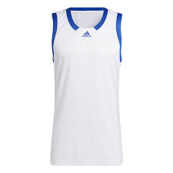 | Adidas | 400 | B - Apparel | ADULT | MALE | SS | FOOTBALL T-SHIRT | BASKETBALL | HF6717 | HF6717-WHITE-XL | 4065415635731 | JERSEY (SLEEVELESS) | 100% rec polyester | 610990200000 | Thailand | WHITE | XL | 12 | 25.00 € | 300.00 € | 50.00 € | 600.00 €
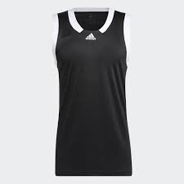 | Adidas | 400 | B - Apparel | ADULT | MALE | FW | FOOTBALL T-SHIRT | BASKETBALL | HF6719 | HF6719-BLACK_WHITE-195 | 4065415121463 | M ICON SQUAD J | 100% rec polyester | 610990200000 | Thailand | BLACK_WHITE | 195 | 13 | 25.00 € | 325.00 € | 50.00 € | 650.00 €
 | Adidas | 400 | B - Apparel | ADULT | MALE | FW | FOOTBALL T-SHIRT | BASKETBALL | HF6719 | HF6719-BLACK_WHITE-205 | 4065415121470 | M ICON SQUAD J | 100% rec polyester | 610990200000 | Thailand | BLACK_WHITE | 205 | 15 | 25.00 € | 375.00 € | 50.00 € | 750.00 €
 | Adidas | 400 | B - Apparel | ADULT | MALE | FW | FOOTBALL T-SHIRT | BASKETBALL | HF6719 | HF6719-BLACK_WHITE-220 | 4065415117817 | M ICON SQUAD J | 100% rec polyester | 610990200000 | Thailand | BLACK_WHITE | 220 | 17 | 25.00 € | 425.00 € | 50.00 € | 850.00 €
 | Adidas | 400 | B - Apparel | ADULT | MALE | FW | FOOTBALL T-SHIRT | BASKETBALL | HF6719 | HF6719-BLACK_WHITE-235 | 4065415121500 | M ICON SQUAD J | 100% rec polyester | 610990200000 | Thailand | BLACK_WHITE | 235 | 5 | 25.00 € | 125.00 € | 50.00 € | 250.00 €
 | Adidas | 400 | B - Apparel | ADULT | MALE | FW | FOOTBALL T-SHIRT | BASKETBALL | HF6719 | HF6719-BLACK_WHITE-275 | 4065415117688 | M ICON SQUAD J | 100% rec polyester | 610990200000 | Thailand | BLACK_WHITE | 275 | 6 | 25.00 € | 150.00 € | 50.00 € | 300.00 €
 | Adidas | 400 | B - Apparel | ADULT | MALE | FW | FOOTBALL T-SHIRT | BASKETBALL | HF6719 | HF6719-BLACK_WHITE-280 | 4065415117800 | M ICON SQUAD J | 100% rec polyester | 610990200000 | Thailand | BLACK_WHITE | 280 | 5 | 25.00 € | 125.00 € | 50.00 € | 250.00 €
 | Adidas | 400 | B - Apparel | ADULT | MALE | FW | FOOTBALL T-SHIRT | BASKETBALL | HF6719 | HF6719-BLACK_WHITE-285 | 4065415121487 | M ICON SQUAD J | 100% rec polyester | 610990200000 | Thailand | BLACK_WHITE | 285 | 4 | 25.00 € | 100.00 € | 50.00 € | 200.00 €
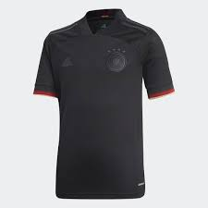 | Adidas | 400 | B - Apparel | JUNIOR | MALE | SS | FOOTBALL T-SHIRT | FOOTBALL/SOCCER | EH6114 | EH6114-BLACK-152 | 4051043868481 | DFB A JSY Y | 50% PES/50% REC.PES | 610990200000 | China | BLACK | 152 | 5 | 35.00 € | 175.00 € | 70.00 € | 350.00 €
 | Adidas | 400 | B - Apparel | JUNIOR | UNISEX | SS | FOOTBALL T-SHIRT | FOOTBALL/SOCCER | GC9807 | GC9807-NAVY-S | 4062057444608 | FOOTBALL T-SHIRT | 100% REC.PES | 610990200000 | Cambodia | NAVY | S | 104 | 47.50 € | 4,940.00 € | 95.00 € | 9,880.00 €
 | Adidas | 400 | B - Apparel | JUNIOR | MALE | SS | FOOTBALL T-SHIRT | FOOTBALL/SOCCER | GR3985 | GR3985-BLUE-128 | 4064056730294 | REAL A JSY Y | 100% POLY | 61099010 | Cambodia | BLUE | 128 | 21 | 35.00 € | 735.00 € | 70.00 € | 1,470.00 €
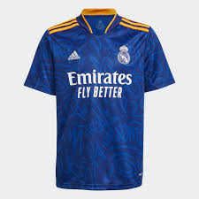 | Adidas | 400 | B - Apparel | JUNIOR | MALE | SS | FOOTBALL T-SHIRT | FOOTBALL/SOCCER | GR3985 | GR3985-BLUE-140 | 4064056726662 | REAL A JSY Y | 100% REC.PES | 610990200000 | Vietnam | BLUE | 140 | 55 | 15.00 € | 825.00 € | 30.00 € | 1,650.00 €
 | Adidas | 400 | B - Apparel | JUNIOR | MALE | SS | FOOTBALL T-SHIRT | FOOTBALL/SOCCER | GR3985 | GR3985-BLUE-152 | 4064056730300 | REAL A JSY Y | 100% POLY | 61099010 | Cambodia | BLUE | 152 | 75 | 35.00 € | 2,625.00 € | 70.00 € | 5,250.00 €
 | Adidas | 400 | B - Apparel | JUNIOR | KIDS | FW | FOOTBALL T-SHIRT | ORIGINALS | GR3985 | GR3985-BLUE-164 | 4064056726686 | REAL A JSY Y | 100% POLY | 61099010 | Cambodia | BLUE | 164 | 74 | 35.00 € | 2,590.00 € | 70.00 € | 5,180.00 €
 | Adidas | 400 | B - Apparel | JUNIOR | MALE | SS | FOOTBALL T-SHIRT | FOOTBALL/SOCCER | GR3994 | GR3994_WHITE_140 | 4064056745717 | REAL H JSY Y | 100% POLY | 61099010 | Cambodia | WHITE | 140 | 107 | 37.50 € | 4,012.50 € | 75.00 € | 8,025.00 €
 | Adidas | 400 | B - Apparel | JUNIOR | MALE | SS | FOOTBALL T-SHIRT | FOOTBALL/SOCCER | GR3994 | GR3994_WHITE_152 | 4064056745755 | REAL H JSY Y | 100% POLY | 61099010 | Cambodia | WHITE | 152 | 133 | 37.50 € | 4,987.50 € | 75.00 € | 9,975.00 €
 | Adidas | 400 | B - Apparel | JUNIOR | MALE | SS | FOOTBALL T-SHIRT | FOOTBALL/SOCCER | GR3994 | GR3994-WHITE-128 | 4064056745748 | REAL H JSY Y | 100% POLY | 61099010 | Cambodia | WHITE | 128 | 50 | 37.50 € | 1,875.00 € | 75.00 € | 3,750.00 €
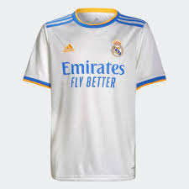 | Adidas | 400 | B - Apparel | JUNIOR | KIDS | FW | FOOTBALL T-SHIRT | ORIGINALS | GR3994 | GR3994-WHITE-164 | 4064056745731 | REAL H JSY Y | 100% POLY | 61099010 | Cambodia | WHITE | 164 | 142 | 37.50 € | 5,325.00 € | 75.00 € | 10,650.00 €
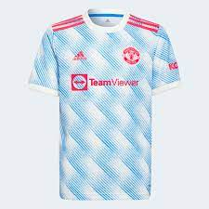 | Adidas | 400 | B - Apparel | JUNIOR | MALE | SS | FOOTBALL T-SHIRT | FOOTBALL/SOCCER | GS2406 | GS2406-WHITE-128 | 4064054921175 | MUFC A JSY Y | 100% REC.PES | 610990200000 | Cambodia | WHITE | 128 | 1 | 35.00 € | 35.00 € | 70.00 € | 70.00 €
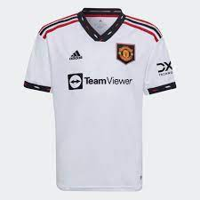 | Adidas | 400 | B - Apparel | JUNIOR | MALE | SS | FOOTBALL T-SHIRT | FOOTBALL/SOCCER | H64055 | H64055-WHITE-128 | 4065424445871 | MUFC A JSY Y | 100% PET-REC | 610990200000 | Cambodia | WHITE | 128 | 1 | 35.00 € | 35.00 € | 70.00 € | 70.00 €
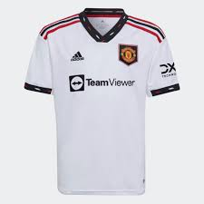 | Adidas | 400 | B - Apparel | JUNIOR | MALE | SS | FOOTBALL T-SHIRT | FOOTBALL/SOCCER | H64055 | H64055-WHITE-140 | 4065424445857 | MUFC A JSY Y | 100% PET-REC | 610990200000 | Cambodia | WHITE | 140 | 1 | 35.00 € | 35.00 € | 70.00 € | 70.00 €
 | Adidas | 410 | B - Apparel | JUNIOR | UNISEX | FW | FOOTBALL T-SHIRT | FOOTBALL/SOCCER | HE1443 | HE1443-BLACK-140 | 4065415415586 | RBFA TR JSY Y | 100% REC.PES | 610990200000 | Cambodia | BLACK | 140 | 2 | 22.50 € | 45.00 € | 45.00 € | 90.00 €
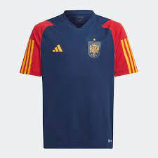 | Adidas | 410 | B - Apparel | JUNIOR | UNISEX | FW | FOOTBALL T-SHIRT | FOOTBALL/SOCCER | HE8811 | HE8811-BLUE-140 | 4065429399445 | FEF 22 TR JSY Y | 100% REC.PES | 610990200000 | Vietnam | BLUE | 140 | 13 | 22.50 € | 292.50 € | 45.00 € | 585.00 €
 | Adidas | 410 | B - Apparel | JUNIOR | UNISEX | FW | FOOTBALL T-SHIRT | FOOTBALL/SOCCER | HE8811 | HE8811-BLUE-152 | 4065429399476 | FEF 22 TR JSY Y | 100% REC.PES | 610990200000 | Vietnam | BLUE | 152 | 6 | 22.50 € | 135.00 € | 45.00 € | 270.00 €
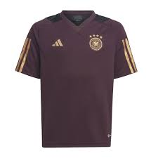 | Adidas | 410 | B - Apparel | JUNIOR | UNISEX | FW | FOOTBALL T-SHIRT | FOOTBALL/SOCCER | HF3993 | HF3993-BROWN-116 | 4065429368380 | DFB TR JSY Y | 100% REC.PES | 610990200000 | Cambodia | BROWN | 116 | 17 | 27.50 € | 467.50 € | 55.00 € | 935.00 €
 | Adidas | 410 | B - Apparel | JUNIOR | UNISEX | FW | FOOTBALL T-SHIRT | FOOTBALL/SOCCER | HF3993 | HF3993-BROWN-152 | 4065429368373 | DFB TR JSY Y | 100% REC.PES | 610990200000 | Cambodia | BROWN | 152 | 112 | 27.50 € | 3,080.00 € | 55.00 € | 6,160.00 €
 | Adidas | 410 | B - Apparel | JUNIOR | UNISEX | FW | FOOTBALL T-SHIRT | FOOTBALL/SOCCER | HF3993 | HF3993-BROWN-164 | 4065429368403 | DFB TR JSY Y | 100% REC.PES | 610990200000 | Cambodia | BROWN | 164 | 95 | 27.50 € | 2,612.50 € | 55.00 € | 5,225.00 €
 | Adidas | 410 | B - Apparel | JUNIOR | UNISEX | SS | FOOTBALL T-SHIRT | FOOTBALL/SOCCER | HH9321 | HH9321-BLUE-152 | 4065423834720 | MUFC TR JSY Y | 100% REC.PES | 611430000000 | Vietnam | BLUE | 152 | 2 | 22.50 € | 45.00 € | 45.00 € | 90.00 €
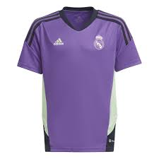 | Adidas | 410 | B - Apparel | JUNIOR | UNISEX | SS | FOOTBALL T-SHIRT | FOOTBALL/SOCCER | HT8808 | HT8808-PURPLE-128 | 4066752831831 | REAL TR JSY Y | 100% REC.PES | 611430000000 | Cambodia | PURPLE | 128 | 2 | 22.50 € | 45.00 € | 45.00 € | 90.00 €
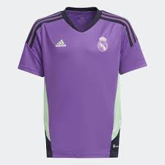 | Adidas | 410 | B - Apparel | JUNIOR | UNISEX | SS | FOOTBALL T-SHIRT | FOOTBALL/SOCCER | HT8808 | HT8808-PURPLE-164 | 4066752831794 | REAL TR JSY Y | 100% REC.PES | 611430000000 | Cambodia | PURPLE | 164 | 1 | 22.50 € | 22.50 € | 45.00 € | 45.00 €
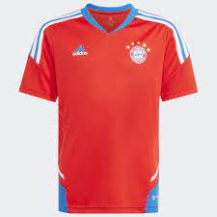 | Adidas | 410 | B - Apparel | JUNIOR | UNISEX | SS | FOOTBALL T-SHIRT | FOOTBALL/SOCCER | HU1275 | HU1275-RED_BLUE-164 | 4066752819198 | FCB TR JSY Y | 100% REC.PES | 611430000000 | Cambodia | RED_BLUE | 164 | 4 | 22.50 € | 90.00 € | 45.00 € | 180.00 €
 | Adidas | 410 | B - Apparel | JUNIOR | UNISEX | SS | FOOTBALL T-SHIRT | FOOTBALL/SOCCER | HU1275 | HU1275-RED_BLUE-176 | 4066752819211 | FCB TR JSY Y | 100% REC.PES | 611430000000 | Cambodia | RED_BLUE | 176 | 5 | 22.50 € | 112.50 € | 45.00 € | 225.00 €
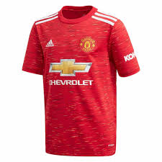 | Adidas | 400 | B - Apparel | JUNIOR | MALE | SS | FOOTBALL T-SHIRT | FOOTBALL/SOCCER | FM4292 | FM4292-RED-128 | 4061612821854 | MUFC H JSY Y | 100% REC.PES | 610990200000 | Cambodia | RED | 128 | 1 | 35.00 € | 35.00 € | 70.00 € | 70.00 €
 | Adidas | 400 | B - Apparel | JUNIOR | UNISEX | FW | FOOTBALL T-SHIRT | FOOTBALL/SOCCER | GH7150 | GH7150-NAVY-116 | 4064044763938 | CON21 TR JSY Y | 100% REC.PES | 610990200000 | China | NAVY | 116 | 1 | 15.00 € | 15.00 € | 30.00 € | 30.00 €
 | Adidas | 400 | B - Apparel | JUNIOR | MALE | SS | FOOTBALL T-SHIRT | FOOTBALL/SOCCER | HB0439 | HB0439-WHITE_BLACK-128 | 4065423040534 | JUVE H JSY Y | 100% REC.PES | 610990200000 | Cambodia | WHITE_BLACK | 128 | 4 | 35.00 € | 140.00 € | 70.00 € | 280.00 €
 | Adidas | 400 | B - Apparel | JUNIOR | MALE | SS | FOOTBALL T-SHIRT | FOOTBALL/SOCCER | HB0439 | HB0439-WHITE_BLACK-140 | 4065423040565 | JUVE H JSY Y | 100% REC.PES | 610990200000 | Cambodia | WHITE_BLACK | 140 | 2 | 35.00 € | 70.00 € | 70.00 € | 140.00 €
 | Adidas | 400 | B - Apparel | JUNIOR | MALE | SS | FOOTBALL T-SHIRT | FOOTBALL/SOCCER | HB0439 | HB0439-WHITE_BLACK-152 | 4065423040572 | JUVE H JSY Y | 100% REC.PES | 610990200000 | Cambodia | WHITE_BLACK | 152 | 1 | 35.00 € | 35.00 € | 70.00 € | 70.00 €
 | Adidas | 400 | B - Apparel | JUNIOR | MALE | SS | FOOTBALL T-SHIRT | FOOTBALL/SOCCER | HB0439 | HB0439-WHITE_BLACK-164 | 4065423040541 | JUVE H JSY Y | 100% REC.PES | 610990200000 | Cambodia | WHITE_BLACK | 164 | 8 | 35.00 € | 280.00 € | 70.00 € | 560.00 €
 | Adidas | 400 | B - Apparel | JUNIOR | MALE | SS | FOOTBALL T-SHIRT | FOOTBALL/SOCCER | HB0439 | HB0439-WHITE_BLACK-176 | 4065423040558 | JUVE H JSY Y | 100% REC.PES | 610990200000 | Cambodia | WHITE_BLACK | 176 | 5 | 35.00 € | 175.00 € | 70.00 € | 350.00 €
 | Adidas | 400 | B - Apparel | JUNIOR | MALE | SS | FOOTBALL T-SHIRT | NOT SPORTS SPECIFIC | HD6882 | HD6882-BLACK-152 | 4065423211453 | MESSI 10 JSY | 100% REC.PES | 610990200000 | China | BLACK | 152 | 7 | 22.50 € | 157.50 € | 45.00 € | 315.00 €
 | Adidas | 400 | B - Apparel | JUNIOR | UNISEX | FW | FOOTBALL T-SHIRT | FOOTBALL/SOCCER | HE8811 | HE8811-BLUE-128 | 4065429399469 | FEF 22 TR JSY Y | 100% REC.PES | 610990200000 | Vietnam | BLUE | 128 | 10 | 22.50 € | 225.00 € | 45.00 € | 450.00 €
 | Adidas | 400 | B - Apparel | JUNIOR | UNISEX | FW | FOOTBALL T-SHIRT | FOOTBALL/SOCCER | HE8811 | HE8811-BLUE-176 | 4065429399421 | FEF 22 TR JSY Y | 100% REC.PES | 610990200000 | Vietnam | BLUE | 176 | 6 | 22.50 € | 135.00 € | 45.00 € | 270.00 €
 | Adidas | 400 | B - Apparel | JUNIOR | MALE | SS | FOOTBALL T-SHIRT | FOOTBALL/SOCCER | HF1405 | HF1405-BLUE-128 | 4065429160458 | FEF A JSY Y | 100% REC.PES | 610990200000 | Cambodia | BLUE | 128 | 1 | 35.00 € | 35.00 € | 70.00 € | 70.00 €
 | Adidas | 400 | B - Apparel | JUNIOR | MALE | SS | FOOTBALL T-SHIRT | FOOTBALL/SOCCER | HF1405 | HF1405-BLUE-140 | 4065429160427 | FEF A JSY Y | 100% REC.PES | 610990200000 | Cambodia | BLUE | 140 | 2 | 35.00 € | 70.00 € | 70.00 € | 140.00 €
 | Adidas | 400 | B - Apparel | JUNIOR | MALE | SS | FOOTBALL T-SHIRT | FOOTBALL/SOCCER | HF1405 | HF1405-BLUE-176 | 4065429160434 | FEF A JSY Y | 100% REC.PES | 610990200000 | Cambodia | BLUE | 176 | 1 | 35.00 € | 35.00 € | 70.00 € | 70.00 €
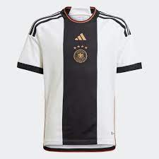 | Adidas | 400 | B - Apparel | JUNIOR | MALE | SS | FOOTBALL T-SHIRT | FOOTBALL/SOCCER | HF1467 | HF1467-WHITE-176 | 4065415583087 | DFB H JSY Y | 100% REC.PES | 610990200000 | Cambodia | WHITE | 176 | 17 | 35.00 € | 595.00 € | 70.00 € | 1,190.00 €
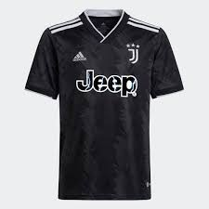 | Adidas | 400 | B - Apparel | JUNIOR | MALE | SS | FOOTBALL T-SHIRT | FOOTBALL/SOCCER | HI5942 | HI5942-BLACK_WHITE-152 | 4065423049292 | JUVE A JSY Y | 100% REC.PES | 610990200000 | Cambodia | BLACK_WHITE | 152 | 1 | 35.00 € | 35.00 € | 70.00 € | 70.00 €
 | Adidas | 400 | B - Apparel | JUNIOR | MALE | SS | FOOTBALL T-SHIRT | FOOTBALL/SOCCER | HI5942 | HI5942-BLACK_WHITE-164 | 4065423049339 | JUVE A JSY Y | 100% REC.PES | 610990200000 | Cambodia | BLACK_WHITE | 164 | 1 | 35.00 € | 35.00 € | 70.00 € | 70.00 €

